Sheet1
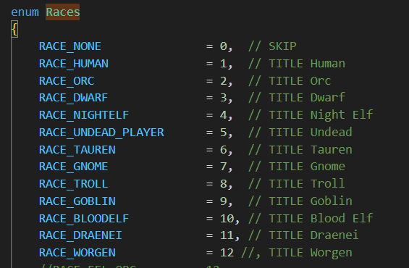
RACE | ENUM | INCLUDE? | MASK
HUMAN | 1 | x | 1
ORC | 2 | x | 2
DWARF | 3 | x | 4
NIGHTELF | 4 | x | 8
UNDEAD | 5 | x | 16
TAUREN | 6 | x | 32
GNOME | 7 | x | 64
TROLL | 8 | x | 128
GOBLIN | 9 | x | 256
BLOODELF | 10 | x | 512
DRAENEI | 11 | x | 1024
WORGEN | 12 | x | 2048
MASK |  |  | 4095

Sheet2
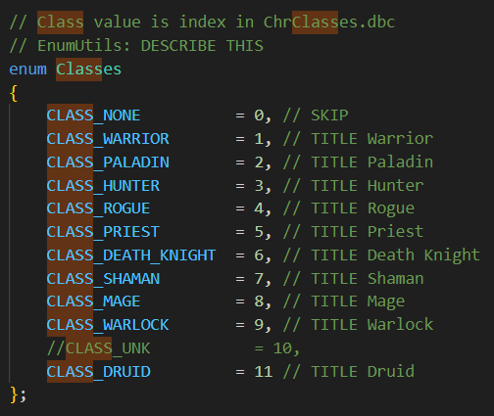
ENUM |  | 1 | 2 | 3 | 4 | 5 | 6 | 7 | 8 | 9 | 11 | ALL
MASK |  | 1 | 2 | 4 | 8 | 16 | 32 | 64 | 128 | 256 | 1024 | 1535
Weapons | Skill ID | Warrior | Paladin | Hunter | Rogue | Priest | Death Knight | Shaman | Mage | Warlock | Druid | Mask
Axes | 44 | x | x | x |  |  | x | x |  |  |  | 103
Bows | 45 | x |  | x | x |  |  |  |  |  |  | 13
Crossbows | 226 | x |  | x | x |  |  |  |  |  |  | 13
Daggers | 173 | x |  | x | x | x |  | x | x | x | x | 1501
Fist Weapons | 473 | x |  | x | x |  |  | x |  |  | x | 1101
Guns | 46 | x |  | x | x |  |  |  |  |  |  | 13
Maces | 54 | x | x |  | x | x | x | x |  |  | x | 1147
Polearms | 229 | x | x | x |  |  | x |  |  |  |  | 39
Shield | 433 | x | x |  |  |  |  | x |  |  |  | 67
Staves | 136 | x |  | x |  | x |  | x | x | x | x | 1493
Swords | 43 | x | x | x | x |  | x |  | x | x |  | 431
Thrown | 176 | x |  |  | x |  |  |  |  |  |  | 9
Two-Handed Axes | 172 | x | x | x |  |  | x | x |  |  |  | 103
Two-Handed Maces | 160 | x | x |  |  |  | x | x |  |  | x | 1123
Two-Handed Swords | 55 | x | x | x |  |  | x |  |  |  |  | 39
Unarmed | 162 | x | x | x | x | x | x | x | x | x | x | 1535
Wands | 228 |  |  |  |  | x |  |  | x | x |  | 400

